TestSummary
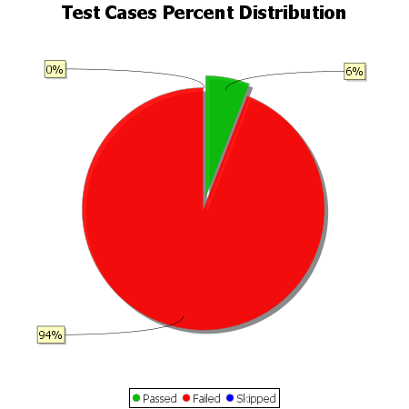
Total Test Cases | 68
Test Cases Passed | 4
Test Cases Failed | 64
Test Cases Skipped | 0

